8-6
 |  |  | Relevant Tables
 |  |  | A-20 | Deterministic ASTM Minimum Tensile and Yield Strengths for Some Hot-Rolled (HR) and Cold-Drawn (CD) Steels
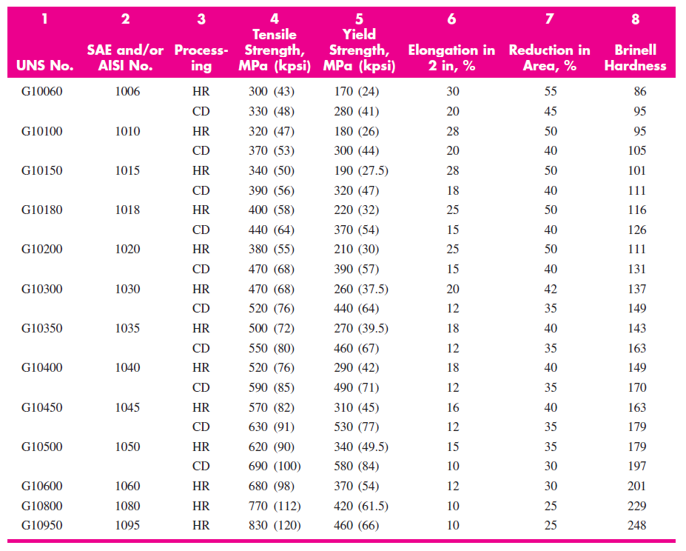
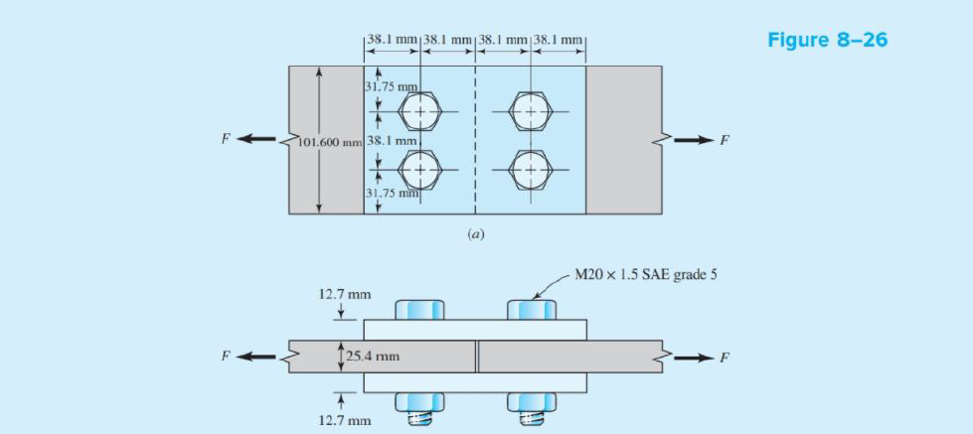
 |  |  |  |  |  | Key
 |  |  |  |  |  | Yellow | Input from Question / Table
 |  |  |  |  |  | Green | Answer

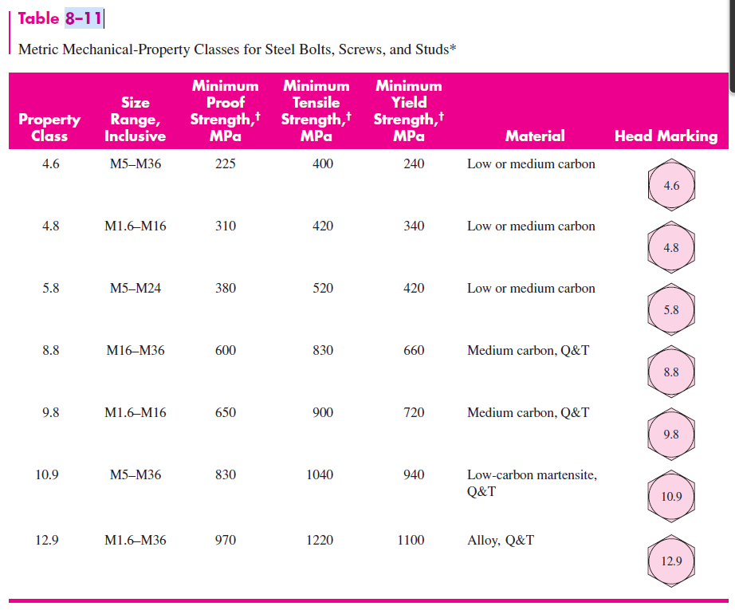
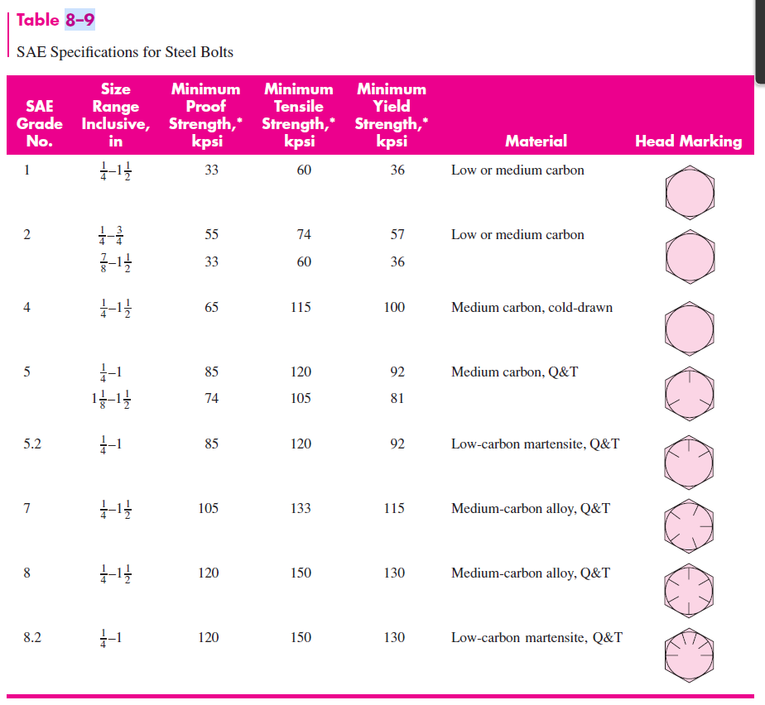
 |  |  | 8-9 |  | 8-11
Step 1: Obtain Key Data from Relevant Tables (A-20, 8-9, 8-11)
A - 20 | Units = MPa
Minimum Tensile Strength (S_ut)
Minimum Yield Strength (S_y)
It states that M20 x 1.5 SAE Grade 5 Bolts are Used -> material listed in Table 8-9
Material | Medium Carbon, Q & T

8-11 Has the Metric details of these bolt specifications
M20 = Grade 8.8 | Units = Mpa
Minimum Proof Strength (S_p)
Minimum Tensile Strength (S_ut)
Minimum Yield Strength (S_y)

Forces Acting
F/2 is transmitted by each of the splice plates
Area of the splice plates are half those of the centre bars
Force in splice plates is the same as force in centre plate

Case 1: Bearing Stress in Bolts - all bolts loaded
Use Bearing stress equations
Factor of Safety Equation (1) | n_d = (S_y)/σ_b
Bearing Stress Equation (2) | σ_b = F/A
Area for Bearing Stress | A = td
Area adjusted for two bolts (Figure 8-26(b)) | A = 2td
Thickness of plate (t) (mm)
Bolt Diameter
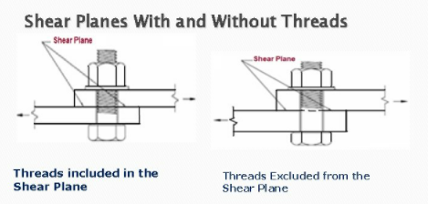
Factor of Saftey (n_p)
Substitute 2 into 1 and rearrange to make F the subject
Bearing Bolts - all bolts loaded | F = 2tdS_y/n_d | S_y is yield strength of the bolt
Force F (N) | #DIV/0!

Case 2: Bearing in members, all bolts active
Bearing Members - all bolts loaded | F = 2tdS_y/n_d | S_y is the yield strength of the material
Force F (N) | #DIV/0!

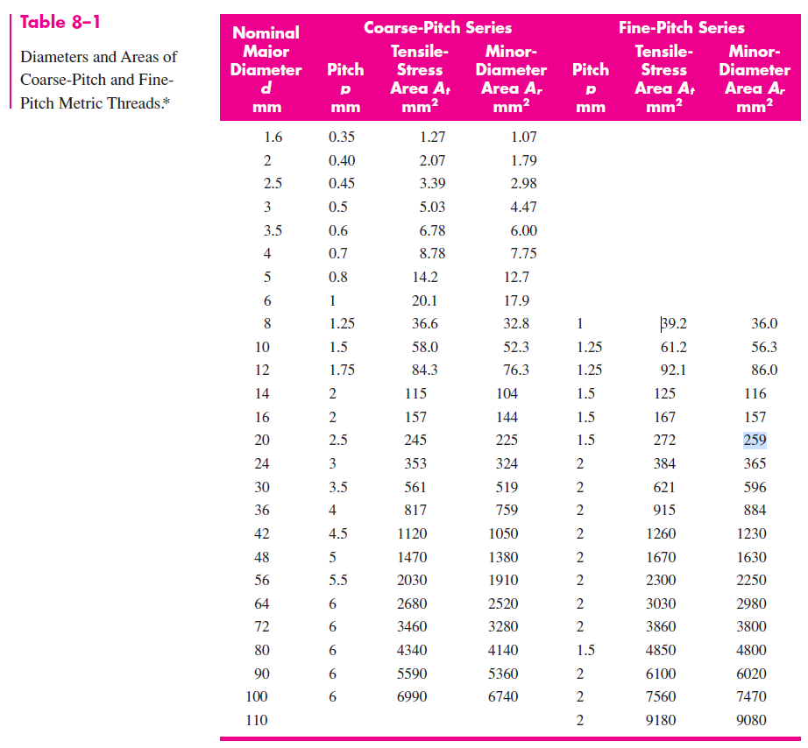
Case 3a: Shear of bolts, all bolts active
If the bolt threads do not extend into the shear planes for four shanks
Shear Stress General Formula | τ = F/A
Area of Circle | A = πd^2 /4
Number of bolts acting in shear | 4
Modified Shear Stress Formula (3) | τ = F/(4πd^2 /4)
Shear Stress to Yield Strength Relationship | S_s = 0.577*S_y
Factor of Saftey Equation (Shear) (4) | n_d = 0.577(S_y)/τ
Sub 3 into 4
Rearrange for Force | F = 0.577πd^2*(S_y/n_d) | Where S_y is the yield strength of the bolt
Force F (N) | #DIV/0!

However if they do extend into the shear plane (Case 3b)
Shear Stress General Formula | τ = F/Ar | Ar is the minor Diameter (table 8-1)
Modified for number of bolts | τ = F/4Ar
Ar
Again using Equation 4 and the shear stress formula - rearrange for Force | F = 0.577*4*Ar*(S_y/n_d)
Force F (N) | #DIV/0!

Case 4: Edge Shearing of a member at two margin bolts (shown in Figure 8-27)
Structural practice this failure is avoided by spacing the rivets at least 1.5 diameters away from the edge.
Should be avoided in this case - if needed to be calculated you use
Shear Stress formula | τ = F/4at
And shear factor of Safety Equation | n_d = 0.577(S_y)/τ
Substituting and solving for F | F = 4at*0.577*(S_y/n_d) | Where S_y is yield strength of material

Case 5: Tensile Yielding
Tensile yielding of members across bolt holes
Factor of Safety | n_d = (S_y)/σ_b
Stress of bolt holes | σ = F/(w_p - 2(d))t | Where W_p is the width of the plate, d is the bolt diameter and t is the thickness
Solve for force | F = (w_p - 2(d))t*Sy/n_d | Where S_y is the yield strength of the member
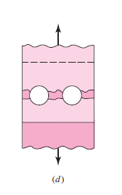
w_p |  |  | Tensile Failure
F | #DIV/0!

Tensile yielding of the member itself
Factor of Safety | n_d = (S_y)/σ_b
Stress | σ = F/(w_p)t
Rearrange for F | F = w_p*t*S_y/n_d | S_y is the yield strength of the member
F (N) | #DIV/0!

8-67
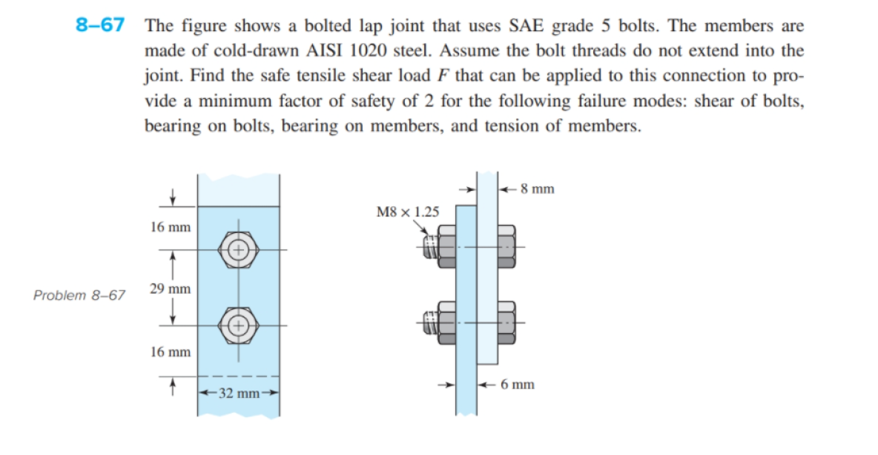
 |  |  | A-20

Bolt Diameter
Pitch
Use Table A-20 | Units = MPa
Minimum Tensile Strength (S_ut)
Minimum Yield Strength (S_y)
Bolt specs - size 8mm and SAE Grade 5 | Medium carbon Q & T
Grade 9.8
Minimum Proof Strength (S_p)
Minimum Tensile Strength (S_ut)
Minimum Yield Strength (S_y)

Case 1: Bearing Stress in Bolts
Area of bolt stress | A = 2td
Thickness of plate (mm) |  | Plate where the thread is
Diameter of Bolt
Factor of Safety
Using Eqn Derived in Last problem for Force F | F = 2tdS_y/n_d
Force F (N) | #DIV/0!

Case 2: Bearing Stress in Member
Bearing Members - all bolts loaded | F = 2tdS_y/n_d | S_y is the yield strength of the material
Force F (N) | #DIV/0!

Case 3 - shear - all bolts active (assuming thread excluded from shear plane - ie good design)
Modified Shear Stress Formula (3) | τ = F/(2πd^2 /4)
Shear Stress to Yield Strength Relationship | S_s = 0.577*S_y
Factor of Saftey Equation (Shear) (4) | n_d = 0.577(S_y)/τ
Sub 3 into 4
Rearrange for Force | F = (0.577πd^2)/2*(S_y/n_d) | Where S_y is the yield strength of the bolt
Force F (N) | #DIV/0!

Case 4 - Assumed to not be a problem - bolt is 12mm from edge = 8*1.5

Case 5 - Tensile Loading
Width of Member
Factor of Safety | n_d = (S_y)/σ_b
Stress of bolt holes | σ = F/(w_p - (d))t
Solve for force | F = (w_p - (d))t*Sy/n_d
Force F | #DIV/0!

